Base vs. Alternative2
Replication # | Base Model | Alternative
1 | 362.71 | 354.07
2 | 423.69 | 79.91
3 | 223.85 | 95.67
4 | 342.96 | 286.71
5 | 69.29 | 17.19
6 | 227.81 | 46.55
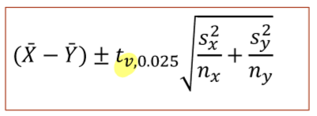
7 | 387.73 | 157.53
8 | 271.46 | 96.3
9 | 137.42 | 77.08
10 | 79.75 | 28.07
11 | 138.22 | 44.9
12 | 243.64 | 47.28
13 | 156.46 | 75.97
14 | 112.94 | 89.94
15 | 241.27 | 105.13
16 | 328.41 | 320.7
17 | 219.65 | 96.19
18 | 89 | 43.89
19 | 85.55 | 75.85
20 | 349.64 | 209.76
Sampe Std. Dev | 113.23 | 98.28
n | 20 | 20
Std. Dev ^ 2 | 12821.72 | 9658.66

v numerator | 641.09 | 482.93 | 1263418.72
v denominator | 21631.12 | 12274.96 | 33906.08
v |  |  | 37.26

avg. from report | 224.57 | 117.44
107.13

t_v,0.025 | 2.0244

 | 12821.72008 | 9658.659952
 | 641.0860041 | 482.9329976 | 1124.019002
 |  |  | 33.52639261
 |  |  | 67.87082921
CI: | 39.25917079 | 175.0008292

